Packing List
 |  |  |  | packing list NO (3-2022)
# | STYLE# | P.O# | fabric content | Color | ITEM | SIZE | Pcs / Qty | Pcs/ CTN | NO. CTN | Cartons Dimensions |  |  | CBM | N.W | G.W | Total N.W | Total G.W
 |  |  |  |  |  |  |  |  |  | L | W | H |  |  |  |  |  | Retail ($25 p/p)
1 | BB7-283 | UNI2107 | BOYS SHORT :100% POLYESTER MICRO FIBER WOVEN 110 GSM | COSMIC DINOS TRUNKS | 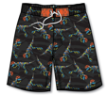 | 8-12 | 3336 | 24 | 139 | 55 | 40 | 19 | 5.81 | 4.7 | 5.4 | 646.4 | 750.6 | 83400
2 | BB5-284 |  |  | DEEP BLUE SEA TRUNKS |  | 4-7 | 2448 | 24 | 102 | 55 | 35 | 19 | 3.73 | 3.5 | 4.2 | 351.9 | 428.4 | 61200
3 | BB7-284 |  |  | DEEP BLUE SEA TRUNKS | 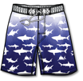 | 8-12 | 5928 | 24 | 247 | 55 | 40 | 19 | 10.32 | 4.7 | 5.4 | 1148.6 | 1333.8 | 148200
4 | GS7-718 | UNI2106 | Girls' swimwear :single jersy 85%polyester &15 %spandex 200 GSM | SWEET LIKE PAISLEY BODY RASHGUARD | 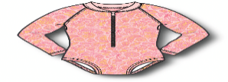 | 7\16 | 5736 | 24 | 239 | 58 | 31 | 13 | 5.59 | 3.6 | 4.1 | 848.4 | 967.9 | 143400
5 | GS4-720 | UNI2106 |  | TIDAL WAVE(BLUE) BODY RASHGUARD | 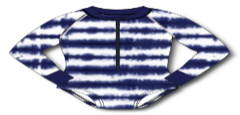 | 4\6X | 1200 | 24 | 50 | 58 | 31 | 13 | 1.17 | 2.2 | 3.4 | 107.5 | 170.0 | 30000
6 | GS7-720 | UNI2106 |  | TIDAL WAVE(BLUE) BODY RASHGUARD |  | 7\16 | 6552 | 24 | 273 | 58 | 31 | 13 | 6.38 | 3.6 | 4.1 | 969.2 | 1105.6 | 163800
7 | GS4-721 | UNI2106 |  | TIDAL WAVE(PINK) BODY RASHGUARD |  | 4\6X | 1224 | 24 | 51 | 58 | 31 | 13 | 1.19 | 2.2 | 3.4 | 109.6 | 173.4 | 30600
8 | GS7-721 | UNI2106 |  | TIDAL WAVE(PINK) BODY RASHGUARD |  | 7\16 | 1632 | 24 | 68 | 58 | 31 | 13 | 1.59 | 3.6 | 4.1 | 241.4 | 275.4 | 40800
9 | GS4-712 | UNI2106 |  | ON THE FRINCE BODY RASHGUARD | 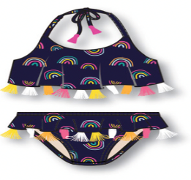 | 4\6X | 2304 | 24 | 96 | 58 | 31 | 13 | 2.24 | 2.2 | 3.4 | 206.4 | 326.4 | 57600
10 | GS7-712 | UNI2106 |  | ON THE FRINCE BODY RASHGUARD |  | 7\16 | 6864 | 24 | 286 | 58 | 31 | 13 | 6.68 | 3.6 | 4.1 | 1015.3 | 1158.3 | 171600
11 | BB4-296 | UNI2103 |  | RAY OFF LIKE BODY RASHGUARD |  | 4/6X | 2496 | 24 | 104 | 58 | 31 | 13 | 2.43 | 2.2 | 3.4 | 223.6 | 353.6 | 62400
12 | BB7-296 | UNI2103 |  | RAY OFF LIKE BODY RASHGUARD |  | 7\16 | 2424 | 24 | 101 | 58 | 31 | 13 | 2.36 | 3.6 | 4.1 | 358.55 | 409.05 | 60600
13 | BB4-297 | UNI2103 |  | WAIKKI BEACH BODY RASHGUARD | 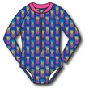 | 4\6X | 3240 | 24 | 135 | 58 | 31 | 13 | 3.16 | 2.2 | 3.4 | 290.25 | 459 | 81000
14 | BB7-297 | UNI2103 |  | WAIKKI BEACH BODY RASHGUARD |  | 7\16 | 3696 | 24 | 154 | 58 | 31 | 13 | 3.60 | 3.6 | 4.1 | 546.7 | 623.7 | 92400
TOTAL |  |  |  |  |  |  | 49080 |  | 2045 |  |  |  | 56.3 |  |  | 7063.8 | 8535.3 | 1227000

